Spider
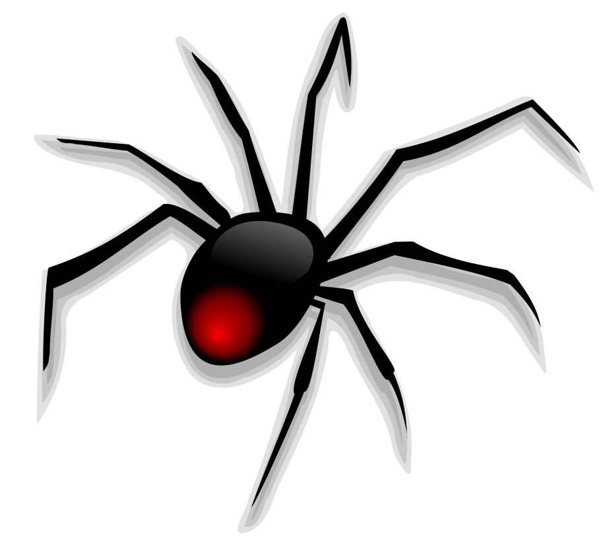
 |  |  |  | START HERE |  |  |  |  |  |  |  |  |  | ANSWERS ➔
 |  |  |  |  |  |  |  |  | Q2
 |  |  | Q1
 |  |  |  |  |  |  | 5n

 |  |  |  |  | 3n |  |  |  |  |  |  | n − 1 |  | Q3
Q8 |  |  | 10n

5
 |  |  |  |  |  |  |  |  |  |  | 2n + 1
 |  |  |  |  |  |  |  |  |  |  |  |  | Q4
 |  | 3n²

 | Q7 |  |  |  |  |  |  |  |  | n − 3
 |  |  |  |  |  |  |  |  |  | Q5
 |  |  |  |  |  |  |  | 5 + n
 |  |  |  |  |  | Q6

ans_Q1
 |  |  |  | START HERE |  |  |  |  |  |  |  |  |  | NEXT
 |  |  |  |  |  |  |  |  | Q2
 |  |  | Q1 | 15
 |  |  |  |  |  |  | 5n

 |  |  |  |  | 3n |  |  |  |  |  |  | n − 1 |  | Q3
Q8 |  |  | 10n

5
 |  |  |  |  |  |  |  |  |  |  | 2n + 1
 |  |  |  |  |  |  |  |  |  |  |  |  | Q4
 |  | 3n²

 | Q7 |  |  |  |  |  |  |  |  | n − 3
 |  |  |  |  |  |  |  |  |  | Q5
 |  |  |  |  |  |  |  | 5 + n
 |  |  |  |  |  | Q6

ans_Q2
 |  |  |  | START HERE |  |  |  |  |  |  |  |  |  |  | NEXT
 |  |  |  |  |  |  |  |  | Q2 | 25
 |  |  | Q1 | 15
 |  |  |  |  |  |  | 5n

 |  |  |  |  | 3n |  |  |  |  |  |  |  | n − 1 |  | Q3
Q8 |  |  | 10n

5
 |  |  |  |  |  |  |  |  |  |  |  | 2n + 1
 |  |  |  |  |  |  |  |  |  |  |  |  |  | Q4
 |  | 3n²

 | Q7 |  |  |  |  |  |  |  |  |  | n − 3
 |  |  |  |  |  |  |  |  |  |  | Q5
 |  |  |  |  |  |  |  | 5 + n
 |  |  |  |  |  | Q6

ans_Q3
 |  |  |  | START HERE |  |  |  |  |  |  |  |  |  |  | NEXT
 |  |  |  |  |  |  |  |  | Q2 | 25
 |  |  | Q1 | 15
 |  |  |  |  |  |  | 5n

 |  |  |  |  | 3n |  |  |  |  |  |  |  | n − 1 |  | Q3 | 4
Q8 |  |  | 10n

5
 |  |  |  |  |  |  |  |  |  |  |  | 2n + 1
 |  |  |  |  |  |  |  |  |  |  |  |  |  | Q4
 |  | 3n²

 | Q7 |  |  |  |  |  |  |  |  |  | n − 3
 |  |  |  |  |  |  |  |  |  |  | Q5
 |  |  |  |  |  |  |  | 5 + n
 |  |  |  |  |  | Q6

ans_Q4
 |  |  |  | START HERE |  |  |  |  |  |  |  |  |  |  | NEXT
 |  |  |  |  |  |  |  |  | Q2 | 25
 |  |  | Q1 | 15
 |  |  |  |  |  |  | 5n

 |  |  |  |  | 3n |  |  |  |  |  |  |  | n − 1 |  | Q3 | 4
Q8 |  |  | 10n

5
 |  |  |  |  |  |  |  |  |  |  |  | 2n + 1
 |  |  |  |  |  |  |  |  |  |  |  |  |  | Q4 | 11
 |  | 3n²

 | Q7 |  |  |  |  |  |  |  |  |  | n − 3
 |  |  |  |  |  |  |  |  |  |  | Q5
 |  |  |  |  |  |  |  | 5 + n
 |  |  |  |  |  | Q6

ans_Q5
 |  |  |  | START HERE |  |  |  |  |  |  |  |  |  |  | NEXT
 |  |  |  |  |  |  |  |  | Q2 | 25
 |  |  | Q1 | 15
 |  |  |  |  |  |  | 5n

 |  |  |  |  | 3n |  |  |  |  |  |  |  | n − 1 |  | Q3 | 4
Q8 |  |  | 10n

5
 |  |  |  |  |  |  |  |  |  |  |  | 2n + 1
 |  |  |  |  |  |  |  |  |  |  |  |  |  | Q4 | 11
 |  | 3n²

 | Q7 |  |  |  |  |  |  |  |  |  | n − 3
 |  |  |  |  |  |  |  |  |  |  | Q5 | 2
 |  |  |  |  |  |  |  | 5 + n
 |  |  |  |  |  | Q6

ans_Q6
 |  |  |  | START HERE |  |  |  |  |  |  |  |  |  |  | NEXT
 |  |  |  |  |  |  |  |  | Q2 | 25
 |  |  | Q1 | 15
 |  |  |  |  |  |  | 5n

 |  |  |  |  | 3n |  |  |  |  |  |  |  | n − 1 |  | Q3 | 4
Q8 |  |  | 10n

5
 |  |  |  |  |  |  |  |  |  |  |  | 2n + 1
 |  |  |  |  |  |  |  |  |  |  |  |  |  | Q4 | 11
 |  | 3n²

 | Q7 |  |  |  |  |  |  |  |  |  | n − 3
 |  |  |  |  |  |  |  |  |  |  | Q5 | 2
 |  |  |  |  |  |  |  | 5 + n
 |  |  |  |  |  | Q6 | 10

ans_Q7
 |  |  |  |  | START HERE |  |  |  |  |  |  |  |  |  |  | NEXT
 |  |  |  |  |  |  |  |  |  | Q2 | 25
 |  |  |  | Q1 | 15
 |  |  |  |  |  |  |  | 5n

 |  |  |  |  |  | 3n |  |  |  |  |  |  |  | n − 1 |  | Q3 | 4
Q8 |  |  |  | 10n

5
 |  |  |  |  |  |  |  |  |  |  |  |  | 2n + 1
 |  |  |  |  |  |  |  |  |  |  |  |  |  |  | Q4 | 11
 |  |  | 3n²

 | Q7 | 75 |  |  |  |  |  |  |  |  |  | n − 3
 |  |  |  |  |  |  |  |  |  |  |  | Q5 | 2
 |  |  |  |  |  |  |  |  | 5 + n
 |  |  |  |  |  |  | Q6 | 10

ans_Q8
 |  |  |  |  | START HERE |  |  |  |  |  |  |  |  |  |  | Back to Start
 |  |  |  |  |  |  |  |  |  | Q2 | 25
 |  |  |  | Q1 | 15
 |  |  |  |  |  |  |  | 5n

 |  |  |  |  |  | 3n |  |  |  |  |  |  |  | n − 1 |  | Q3 | 4
Q8 | 50 |  |  | 10n

5
 |  |  |  |  |  |  |  |  |  |  |  |  | 2n + 1
 |  |  |  |  |  |  |  |  |  |  |  |  |  |  | Q4 | 11
 |  |  | 3n²

 | Q7 | 75 |  |  |  |  |  |  |  |  |  | n − 3
 |  |  |  |  |  |  |  |  |  |  |  | Q5 | 2
 |  |  |  |  |  |  |  |  | 5 + n
 |  |  |  |  |  |  | Q6 | 10

